HIGHEST POPULATION
POPULATION TOTAL
state name | Sum of population_total
ANDAMAN & NICOBAR ISLANDS | 100608
NAGALAND | 123777
MEGHALAYA | 143007
HIMACHAL PRADESH | 169758
MANIPUR | 264986
MIZORAM | 291822
TRIPURA | 399688
PUDUCHERRY | 541801
CHANDIGARH | 960787
UTTARAKHAND | 1340397
ASSAM | 1391154
JAMMU & KASHMIR | 1804987
KERALA | 2755973
ORISSA | 3003234
CHHATTISGARH | 3137918
JHARKHAND | 4278259
PUNJAB | 5821876
HARYANA | 5952223
BIHAR | 6714516
RAJASTHAN | 10443016
MADHYA PRADESH | 11023091
NCT OF DELHI | 13481997
TAMIL NADU | 13879395
KARNATAKA | 15799896
GUJARAT | 17835049
WEST BENGAL | 18063509
ANDHRA PRADESH | 18171615
UTTAR PRADESH | 25302925
MAHARASHTRA | 37722136
Grand Total | 220919400

AVERAGE OF SEX RATIO
name_of_city | (All)

AVERAGE OF SEX RATIO
state name | Average of sex_ratio
ANDAMAN & NICOBAR ISLANDS | 889
ANDHRA PRADESH | 999.4047619
ASSAM | 950.75
BIHAR | 887.88461538
CHANDIGARH | 829
CHHATTISGARH | 950.22222222
GUJARAT | 913.17241379
HARYANA | 875.8
HIMACHAL PRADESH | 818
JAMMU & KASHMIR | 907.66666667
JHARKHAND | 903
KARNATAKA | 987.11538462
KERALA | 1066.7142857
MADHYA PRADESH | 914.8125
MAHARASHTRA | 920.51162791
MANIPUR | 1055
MEGHALAYA | 1042
MIZORAM | 1029
NAGALAND | 904
NCT OF DELHI | 861.53333333
ORISSA | 930.3
PUDUCHERRY | 1035
PUNJAB | 887.0625
RAJASTHAN | 908.51724138
TAMIL NADU | 1001.03125
TRIPURA | 1002
UTTAR PRADESH | 891.28571429
UTTARAKHAND | 892.33333333
WEST BENGAL | 943.26229508
Grand Total | 930.29411765

VLOOKUP
state name | Sum of male_graduates | Sum of female_graduates
ANDAMAN & NICOBAR ISLANDS | 6717 | 5703
ANDHRA PRADESH | 1668337 | 1083014 | STATE | Grand Total
ASSAM | 140832 | 101658 | MALE GRADUATES | 18593772
BIHAR | 602353 | 287753 | FEMALE GRADUATES | 14043990
CHANDIGARH | 101491 | 87821 | AVERAGE | 16318881
CHHATTISGARH | 256774 | 193471 | TOTAL | 32637762
GUJARAT | 1130740 | 863607
HARYANA | 577921 | 481353
HIMACHAL PRADESH | 23822 | 19531
JAMMU & KASHMIR | 148703 | 121310
JHARKHAND | 381444 | 230480
KARNATAKA | 1441274 | 1054546
KERALA | 215434 | 244967
MADHYA PRADESH | 915594 | 677239
MAHARASHTRA | 2908234 | 2357917
MANIPUR | 33950 | 29965
MEGHALAYA | 12466 | 12647
MIZORAM | 14900 | 11932
NAGALAND | 7442 | 5460
NCT OF DELHI | 1344320 | 1099960
ORISSA | 321969 | 208176
PUDUCHERRY | 49403 | 39109
PUNJAB | 416208 | 418865
RAJASTHAN | 863826 | 583993
TAMIL NADU | 1182839 | 962131
TRIPURA | 30215 | 22496
UTTAR PRADESH | 2090734 | 1601432
UTTARAKHAND | 144201 | 130307
WEST BENGAL | 1561629 | 1107147
Grand Total | 18593772 | 14043990

HIGHEST LITERATES
state name | Sum of literates_total
MAHARASHTRA | 30514278
UTTAR PRADESH | 17669408
WEST BENGAL | 14606480
GUJARAT | 14154728
ANDHRA PRADESH | 13463769
KARNATAKA | 12474974
TAMIL NADU | 11385700
NCT OF DELHI | 10379026
MADHYA PRADESH | 8391426
RAJASTHAN | 7580529
BIHAR | 4778390
HARYANA | 4484676
PUNJAB | 4431078
JHARKHAND | 3220027
ORISSA | 2458782
CHHATTISGARH | 2413475
KERALA | 2401557
JAMMU & KASHMIR | 1226215
ASSAM | 1154871
UTTARAKHAND | 1019379
CHANDIGARH | 743254
PUDUCHERRY | 440125
TRIPURA | 343633
MIZORAM | 253588
MANIPUR | 219261
HIMACHAL PRADESH | 147799
MEGHALAYA | 119313
NAGALAND | 95646
ANDAMAN & NICOBAR ISLANDS | 81908
Grand Total | 170653295

TOP 10 CITIES WITH LITERACY
name of city | Sum of effective_literacy_rate_total
Aurangabad | 176.02
Aizawl | 98.8
Kochi | 97.49
Thrissur | 97.24
Kozhikode | 96.8
Alappuzha | 96.56
Khardaha | 95.5
Nagercoil | 95.35
Alandur | 95.15
North Barrackpur | 94.78
Grand Total | 1043.69

DASHBOARD
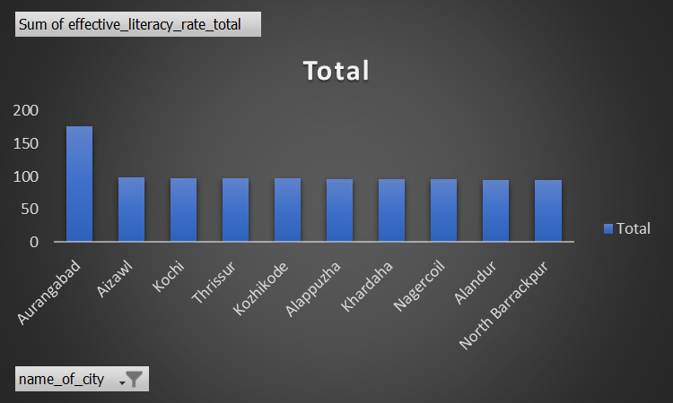
CITIES IN INDIA

POPULATION TOTAL
 | Total
ANDAMAN & NICOBAR ISLANDS | 100608
NAGALAND | 123777
MEGHALAYA | 143007
HIMACHAL PRADESH | 169758
MANIPUR | 264986
MIZORAM | 291822
TRIPURA | 399688
PUDUCHERRY | 541801
CHANDIGARH | 960787
UTTARAKHAND | 1340397
ASSAM | 1391154
JAMMU & KASHMIR | 1804987
KERALA | 2755973
ORISSA | 3003234
CHHATTISGARH | 3137918
JHARKHAND | 4278259
PUNJAB | 5821876
HARYANA | 5952223
BIHAR | 6714516
RAJASTHAN | 10443016
MADHYA PRADESH | 11023091
NCT OF DELHI | 13481997
TAMIL NADU | 13879395
KARNATAKA | 15799896
GUJARAT | 17835049
WEST BENGAL | 18063509
ANDHRA PRADESH | 18171615
UTTAR PRADESH | 25302925
MAHARASHTRA | 37722136
AVERAGE OF SEX RATIO
 | Total
ANDAMAN & NICOBAR ISLANDS | 889
ANDHRA PRADESH | 999.4047619
ASSAM | 950.75
BIHAR | 887.88461538
CHANDIGARH | 829
CHHATTISGARH | 950.22222222
GUJARAT | 913.17241379
HARYANA | 875.8
HIMACHAL PRADESH | 818
JAMMU & KASHMIR | 907.66666667
JHARKHAND | 903
KARNATAKA | 987.11538462
KERALA | 1066.7142857
MADHYA PRADESH | 914.8125
MAHARASHTRA | 920.51162791
MANIPUR | 1055
MEGHALAYA | 1042
MIZORAM | 1029
NAGALAND | 904
NCT OF DELHI | 861.53333333
ORISSA | 930.3
PUDUCHERRY | 1035
PUNJAB | 887.0625
RAJASTHAN | 908.51724138
TAMIL NADU | 1001.03125
TRIPURA | 1002
UTTAR PRADESH | 891.28571429
UTTARAKHAND | 892.33333333
WEST BENGAL | 943.26229508

 | Grand Total
MALE GRADUATES | 18593772
FEMALE GRADUATES | 14043990
AVERAGE | 16318881
TOTAL | 32637762
 | Total
MAHARASHTRA | 30514278
UTTAR PRADESH | 17669408
WEST BENGAL | 14606480
GUJARAT | 14154728
ANDHRA PRADESH | 13463769
KARNATAKA | 12474974
TAMIL NADU | 11385700
NCT OF DELHI | 10379026
MADHYA PRADESH | 8391426
RAJASTHAN | 7580529
BIHAR | 4778390
HARYANA | 4484676
PUNJAB | 4431078
JHARKHAND | 3220027
ORISSA | 2458782
CHHATTISGARH | 2413475
KERALA | 2401557
JAMMU & KASHMIR | 1226215
ASSAM | 1154871
UTTARAKHAND | 1019379
CHANDIGARH | 743254
PUDUCHERRY | 440125
TRIPURA | 343633
MIZORAM | 253588
MANIPUR | 219261
HIMACHAL PRADESH | 147799
MEGHALAYA | 119313
NAGALAND | 95646
ANDAMAN & NICOBAR ISLANDS | 81908

